FAI

 |  | PO # |  | Date Prepared | 2026-04-15 | First Article Report
Part Name | Rubber mount | Samples | 5 | Prepared by: | Meng
Part Number | CB-1123-5 | Inch or mm | Inch | Revision
FAI | Type (Diameter Length Position etc.) | Nominal | + Tolerance | - Tolerance | High Limit | Low Limit | Method | Customer Sample | Mfg. Sample 1 | Mfg. Sample 2 | Mfg. Sample 3 | Mfg. Sample 4 | Mfg. Sample 5 | Deviation
1 | Diameter |  |  |  | 0.000 | 0.000 | Caliper | 2.4590 | 2.4700 | 2.4690 | 2.4645 | 2.4695 | 2.4695 | 0.0110
2 | Diameter |  |  |  | 0.000 | 0.000 | Caliper | 0.6480 | 0.6410 | 0.6445 | 0.6485 | 0.6480 | 0.6455 | 0.0005
3 | Diameter |  |  |  | 0.000 | 0.000 | Caliper | 1.0045 | 0.9840 | 1.0020 | 1.0015 | 1.0110 | 1.0030 | 0.0065
4 | Diameter |  |  |  | 0.000 | 0.000 | Caliper | 1.6000 | 1.6085 | 1.6015 | 1.6010 | 1.6070 | 1.6070 | 0.0085
5 | Length |  |  |  | 0.000 | 0.000 | Caliper | 1.0135 | 1.0195 | 1.0195 | 1.0090 | 1.0115 | 1.0135 | 0.0060
6 | Length |  |  |  | 0.000 | 0.000 | Caliper | 0.6190 | 0.6145 | 0.6090 | 0.6120 | 0.6155 | 0.6180 | 0.0010
7 | Length |  |  |  | 0.000 | 0.000 | Caliper | 0.2865 | 0.2980 | 0.2910 | 0.2930 | 0.2915 | 0.2875 | 0.0115
8 | Durometer |  |  |  | 0.000 | 0.000 | Durometer | 62 | 66 | 65 | 68 | 67 | 66 | 6

Print Page 1
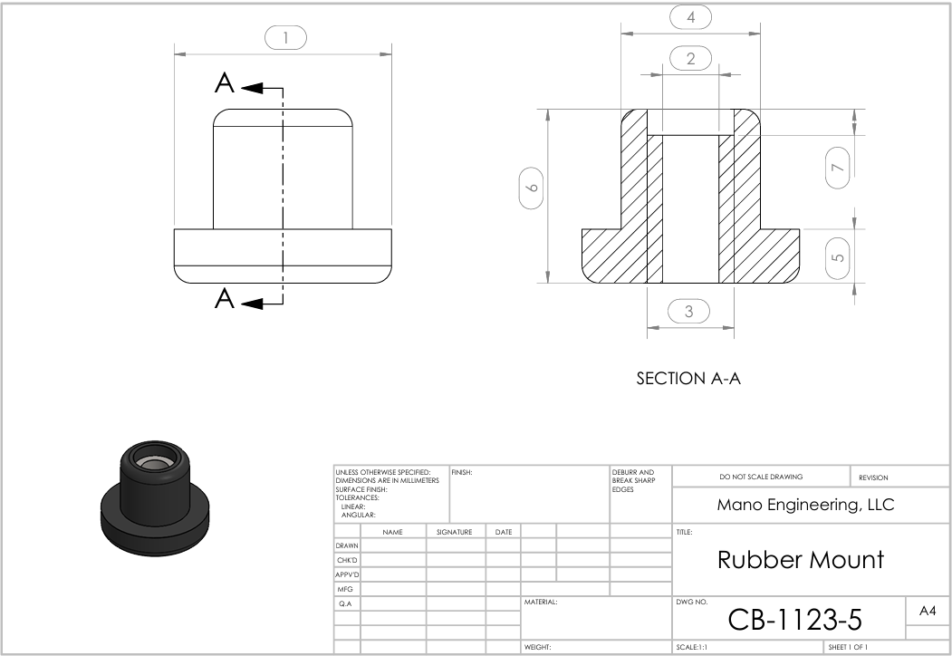

8: Durometer

